Sheet1
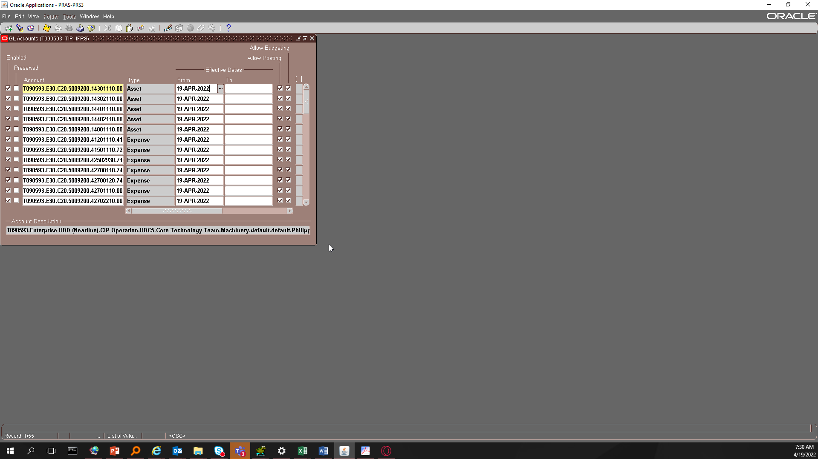
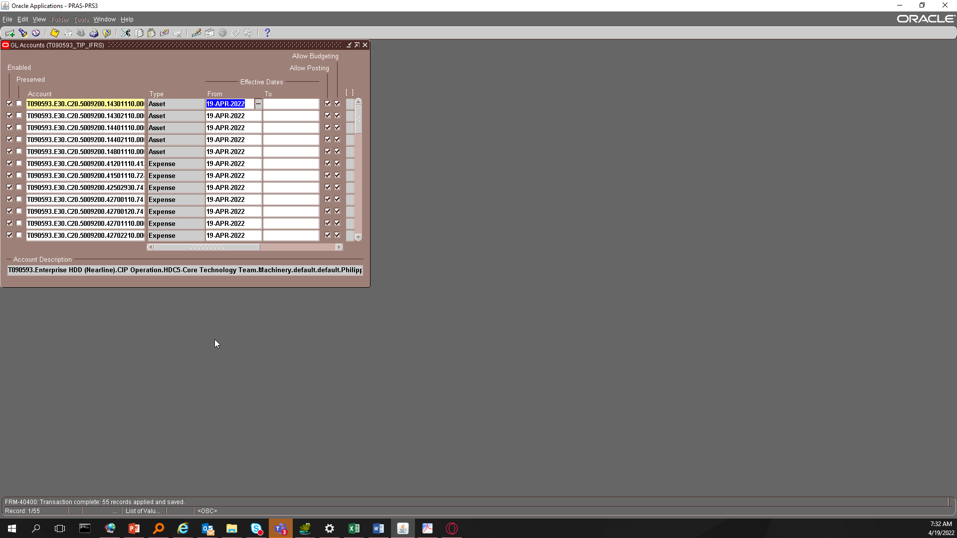
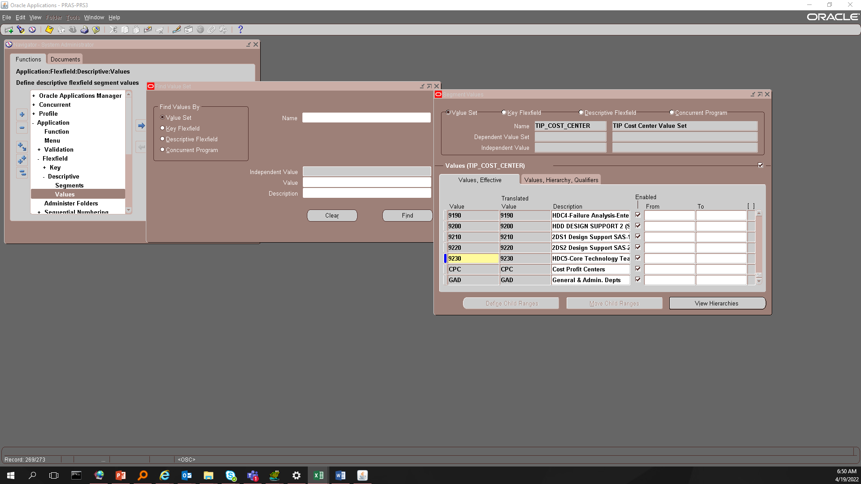

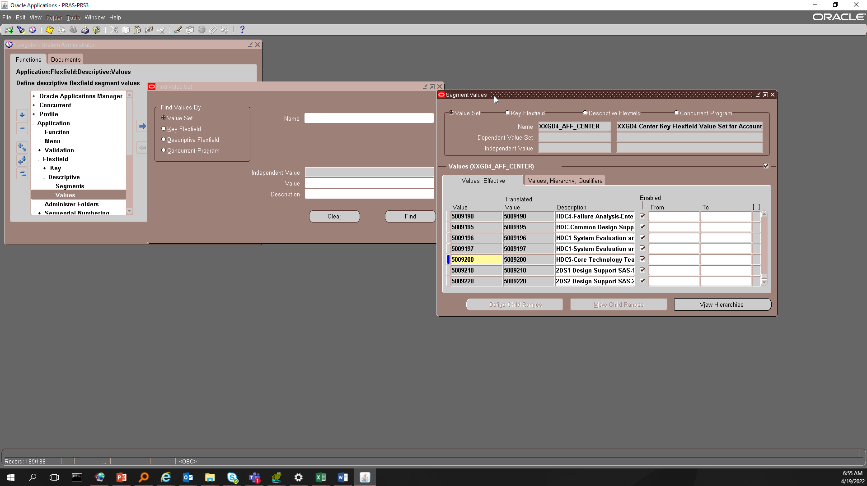

Email sir buboy for existing HDC code combinations, magbibigay sya ng isesetup sa GL Code combinations (yung nakahighlight na blue)

T090593 | E30 | C20 | 5009200 | 14301110 | 0000 | 00000 | PHL | 0000000 | 000000 | 0000 | T090593.E30.C20.5009200.14301110.0000.00000.PHL.0000000.000000.0000
T090593 | E30 | C20 | 5009200 | 14302110 | 0000 | 00000 | PHL | 0000000 | 000000 | 0000 | T090593.E30.C20.5009200.14302110.0000.00000.PHL.0000000.000000.0000
T090593 | E30 | C20 | 5009200 | 14401110 | 0000 | 00000 | PHL | 0000000 | 000000 | 0000 | T090593.E30.C20.5009200.14401110.0000.00000.PHL.0000000.000000.0000
T090593 | E30 | C20 | 5009200 | 14402110 | 0000 | 00000 | PHL | 0000000 | 000000 | 0000 | T090593.E30.C20.5009200.14402110.0000.00000.PHL.0000000.000000.0000
T090593 | E30 | C20 | 5009200 | 14801110 | 0000 | 00000 | PHL | 0000000 | 000000 | 0000 | T090593.E30.C20.5009200.14801110.0000.00000.PHL.0000000.000000.0000
T090593 | E30 | C20 | 5009200 | 41201110 | 4120 | X2510 | PHL | 0000000 | 000000 | 0000 | T090593.E30.C20.5009200.41201110.4120.X2510.PHL.0000000.000000.0000
T090593 | E30 | C20 | 5009200 | 41501110 | 7240 | X2510 | PHL | 0000000 | 000000 | 0000 | T090593.E30.C20.5009200.41501110.7240.X2510.PHL.0000000.000000.0000
T090593 | E30 | C20 | 5009200 | 42502930 | 7439 | X2510 | PHL | 0000000 | 000000 | 0000 | T090593.E30.C20.5009200.42502930.7439.X2510.PHL.0000000.000000.0000
T090593 | E30 | C20 | 5009200 | 42700110 | 7414 | X2510 | PHL | 0000000 | 000000 | 0000 | T090593.E30.C20.5009200.42700110.7414.X2510.PHL.0000000.000000.0000
T090593 | E30 | C20 | 5009200 | 42700120 | 7412 | X2510 | PHL | 0000000 | 000000 | 0000 | T090593.E30.C20.5009200.42700120.7412.X2510.PHL.0000000.000000.0000
T090593 | E30 | C20 | 5009200 | 42701110 | 0000 | X2510 | PHL | 0000000 | 000000 | 0000 | T090593.E30.C20.5009200.42701110.0000.X2510.PHL.0000000.000000.0000
T090593 | E30 | C20 | 5009200 | 42702210 | 0000 | X2510 | PHL | 0000000 | 000000 | 0000 | T090593.E30.C20.5009200.42702210.0000.X2510.PHL.0000000.000000.0000
T090593 | E30 | C20 | 5009200 | 42702220 | 0000 | X2510 | PHL | 0000000 | 000000 | 0000 | T090593.E30.C20.5009200.42702220.0000.X2510.PHL.0000000.000000.0000
T090593 | E30 | C20 | 5009200 | 42702310 | 7313 | X2510 | PHL | 0000000 | 000000 | 0000 | T090593.E30.C20.5009200.42702310.7313.X2510.PHL.0000000.000000.0000
T090593 | E30 | C20 | 5009200 | 42702310 | 7312 | X2510 | PHL | 0000000 | 000000 | 0000 | T090593.E30.C20.5009200.42702310.7312.X2510.PHL.0000000.000000.0000
T090593 | E30 | C20 | 5009200 | 42702320 | 0000 | X2510 | PHL | 0000000 | 000000 | 0000 | T090593.E30.C20.5009200.42702320.0000.X2510.PHL.0000000.000000.0000
T090593 | E30 | C20 | 5009200 | 42702420 | 0000 | X2510 | PHL | 0000000 | 000000 | 0000 | T090593.E30.C20.5009200.42702420.0000.X2510.PHL.0000000.000000.0000
T090593 | E30 | C20 | 5009200 | 42702430 | 0000 | X2510 | PHL | 0000000 | 000000 | 0000 | T090593.E30.C20.5009200.42702430.0000.X2510.PHL.0000000.000000.0000
T090593 | E30 | C20 | 5009200 | 42702520 | 0000 | X2510 | PHL | 0000000 | 000000 | 0000 | T090593.E30.C20.5009200.42702520.0000.X2510.PHL.0000000.000000.0000
T090593 | E30 | C20 | 5009200 | 42702610 | 7340 | X2510 | PHL | 0000000 | 000000 | 0000 | T090593.E30.C20.5009200.42702610.7340.X2510.PHL.0000000.000000.0000
T090593 | E30 | C20 | 5009200 | 42702620 | 7432 | X2510 | PHL | 0000000 | 000000 | 0000 | T090593.E30.C20.5009200.42702620.7432.X2510.PHL.0000000.000000.0000
T090593 | E30 | C20 | 5009200 | 42702910 | 7321 | X2510 | PHL | 0000000 | 000000 | 0000 | T090593.E30.C20.5009200.42702910.7321.X2510.PHL.0000000.000000.0000
T090593 | E30 | C20 | 5009200 | 42702910 | 7424 | X2510 | PHL | 0000000 | 000000 | 0000 | T090593.E30.C20.5009200.42702910.7424.X2510.PHL.0000000.000000.0000
T090593 | E30 | C20 | 5009200 | 42702930 | 7439 | X2510 | PHL | 0000000 | 000000 | 0000 | T090593.E30.C20.5009200.42702930.7439.X2510.PHL.0000000.000000.0000
T090593 | E30 | C20 | 5009200 | 42702930 | 7328 | X2510 | PHL | 0000000 | 000000 | 0000 | T090593.E30.C20.5009200.42702930.7328.X2510.PHL.0000000.000000.0000
T090593 | E30 | C20 | 5009200 | 42702930 | 7434 | X2510 | PHL | 0000000 | 000000 | 0000 | T090593.E30.C20.5009200.42702930.7434.X2510.PHL.0000000.000000.0000
T090593 | E30 | C20 | 5009200 | 42702930 | 7433 | X2510 | PHL | 0000000 | 000000 | 0000 | T090593.E30.C20.5009200.42702930.7433.X2510.PHL.0000000.000000.0000
T090593 | E30 | C20 | 5009200 | 42702930 | 7325 | X2510 | PHL | 0000000 | 000000 | 0000 | T090593.E30.C20.5009200.42702930.7325.X2510.PHL.0000000.000000.0000
T090593 | E30 | C20 | 5009200 | 42702930 | 7327 | X2510 | PHL | 0000000 | 000000 | 0000 | T090593.E30.C20.5009200.42702930.7327.X2510.PHL.0000000.000000.0000
T090593 | E30 | C20 | 5009200 | 42702930 | 7324 | X2510 | PHL | 0000000 | 000000 | 0000 | T090593.E30.C20.5009200.42702930.7324.X2510.PHL.0000000.000000.0000
T090593 | E30 | C20 | 5009200 | 42702930 | 7326 | X2510 | PHL | 0000000 | 000000 | 0000 | T090593.E30.C20.5009200.42702930.7326.X2510.PHL.0000000.000000.0000
T090593 | E30 | C20 | 5009200 | 42702940 | 0000 | X2510 | PHL | 0000000 | 000000 | 0000 | T090593.E30.C20.5009200.42702940.0000.X2510.PHL.0000000.000000.0000
T090593 | E30 | C20 | 5009200 | 42704130 | 0000 | X2510 | PHL | 0000000 | 000000 | 0000 | T090593.E30.C20.5009200.42704130.0000.X2510.PHL.0000000.000000.0000
T090593 | E30 | C20 | 5009200 | 42704310 | 7425 | X2510 | PHL | 0000000 | 000000 | 0000 | T090593.E30.C20.5009200.42704310.7425.X2510.PHL.0000000.000000.0000
T090593 | E30 | C20 | 5009200 | 42704310 | 7381 | X2510 | PHL | 0000000 | 000000 | 0000 | T090593.E30.C20.5009200.42704310.7381.X2510.PHL.0000000.000000.0000
T090593 | E30 | C20 | 5009200 | 42704310 | 7382 | X2510 | PHL | 0000000 | 000000 | 0000 | T090593.E30.C20.5009200.42704310.7382.X2510.PHL.0000000.000000.0000
T090593 | E30 | C20 | 5009200 | 42704310 | 7383 | X2510 | PHL | 0000000 | 000000 | 0000 | T090593.E30.C20.5009200.42704310.7383.X2510.PHL.0000000.000000.0000
T090593 | E30 | C20 | 5009200 | 42704310 | 7384 | X2510 | PHL | 0000000 | 000000 | 0000 | T090593.E30.C20.5009200.42704310.7384.X2510.PHL.0000000.000000.0000
T090593 | E30 | C20 | 5009200 | 42704410 | 0000 | X2510 | PHL | 0000000 | 000000 | 0000 | T090593.E30.C20.5009200.42704410.0000.X2510.PHL.0000000.000000.0000
T090593 | E30 | C20 | 5009200 | 42704510 | 0000 | X2510 | PHL | 0000000 | 000000 | 0000 | T090593.E30.C20.5009200.42704510.0000.X2510.PHL.0000000.000000.0000
T090593 | E30 | C20 | 5009200 | 42704610 | 0000 | X2510 | PHL | 0000000 | 000000 | 0000 | T090593.E30.C20.5009200.42704610.0000.X2510.PHL.0000000.000000.0000
T090593 | E30 | C20 | 5009200 | 42704710 | 0000 | X2510 | PHL | 0000000 | 000000 | 0000 | T090593.E30.C20.5009200.42704710.0000.X2510.PHL.0000000.000000.0000
T090593 | E30 | C20 | 5009200 | 42704810 | 0000 | X2510 | PHL | 0000000 | 000000 | 0000 | T090593.E30.C20.5009200.42704810.0000.X2510.PHL.0000000.000000.0000
T090593 | E30 | C20 | 5009200 | 42705110 | 0000 | X2510 | PHL | 0000000 | 000000 | 0000 | T090593.E30.C20.5009200.42705110.0000.X2510.PHL.0000000.000000.0000
T090593 | E30 | C20 | 5009200 | 42705220 | 0000 | X2510 | PHL | 0000000 | 000000 | 0000 | T090593.E30.C20.5009200.42705220.0000.X2510.PHL.0000000.000000.0000
T090593 | E30 | C20 | 5009200 | 42705310 | 0000 | X2510 | PHL | 0000000 | 000000 | 0000 | T090593.E30.C20.5009200.42705310.0000.X2510.PHL.0000000.000000.0000
T090593 | E30 | C20 | 5009200 | 42705610 | 7458 | X2510 | PHL | 0000000 | 000000 | 0000 | T090593.E30.C20.5009200.42705610.7458.X2510.PHL.0000000.000000.0000
T090593 | E30 | C20 | 5009200 | 42706310 | 0000 | X2510 | PHL | 0000000 | 000000 | 0000 | T090593.E30.C20.5009200.42706310.0000.X2510.PHL.0000000.000000.0000
T090593 | E30 | C20 | 5009200 | 42706420 | 0000 | X2510 | PHL | 0000000 | 000000 | 0000 | T090593.E30.C20.5009200.42706420.0000.X2510.PHL.0000000.000000.0000
T090593 | E30 | C20 | 5009200 | 42706910 | 0000 | X2510 | PHL | 0000000 | 000000 | 0000 | T090593.E30.C20.5009200.42706910.0000.X2510.PHL.0000000.000000.0000
T090593 | E30 | C20 | 5009200 | 42706920 | 0000 | X2510 | PHL | 0000000 | 000000 | 0000 | T090593.E30.C20.5009200.42706920.0000.X2510.PHL.0000000.000000.0000
T090593 | E30 | C20 | 5009200 | 42706960 | 0000 | X2510 | PHL | 0000000 | 000000 | 0000 | T090593.E30.C20.5009200.42706960.0000.X2510.PHL.0000000.000000.0000
T090593 | E30 | C20 | 5009200 | 42706990 | 7479 | X2510 | PHL | 0000000 | 000000 | 0000 | T090593.E30.C20.5009200.42706990.7479.X2510.PHL.0000000.000000.0000
T090593 | E30 | C20 | 5009200 | 42709110 | 0000 | X2510 | PHL | 0000000 | 000000 | 0000 | T090593.E30.C20.5009200.42709110.0000.X2510.PHL.0000000.000000.0000
T090593 | E30 | C20 | 5009200 | 43801110 | 0000 | X2510 | PHL | 0000000 | 000000 | 0000 | T090593.E30.C20.5009200.43801110.0000.X2510.PHL.0000000.000000.0000

Sheet2
